Sheet1
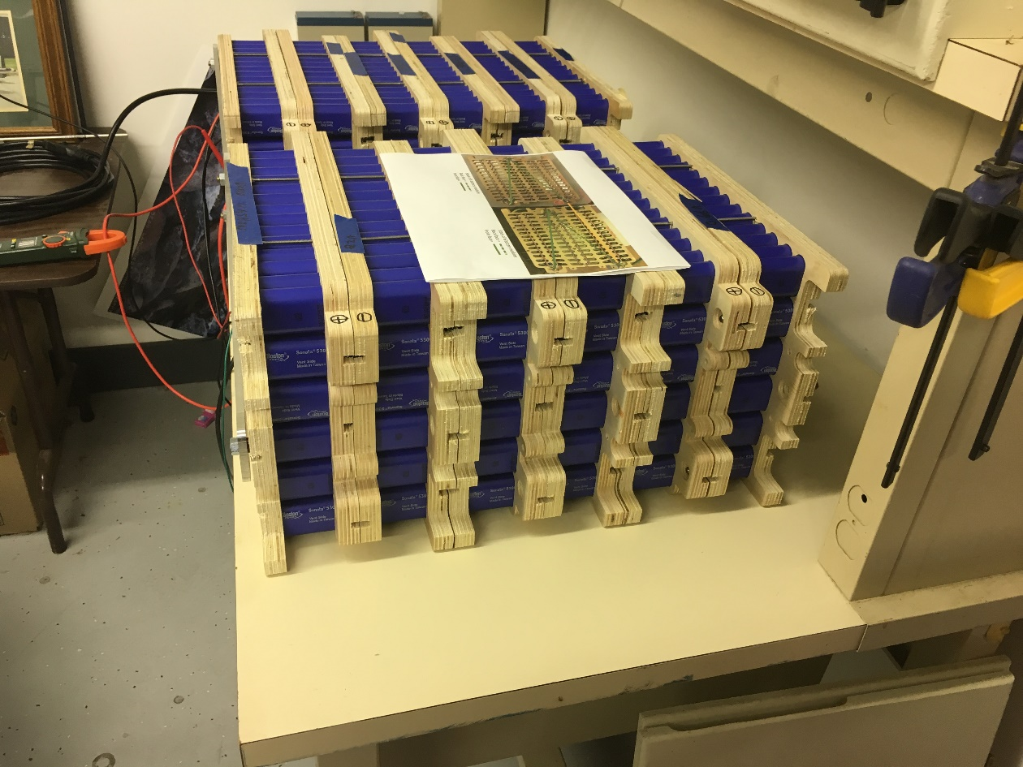
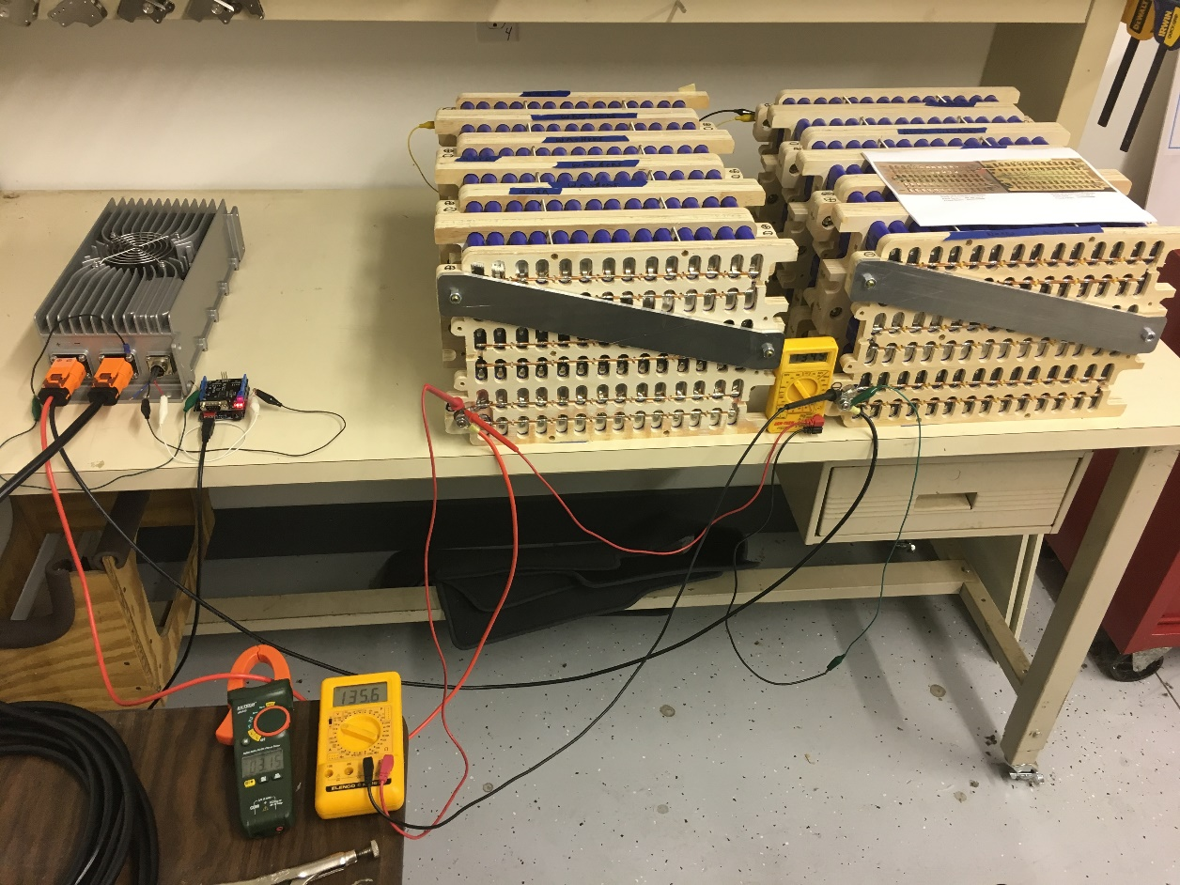
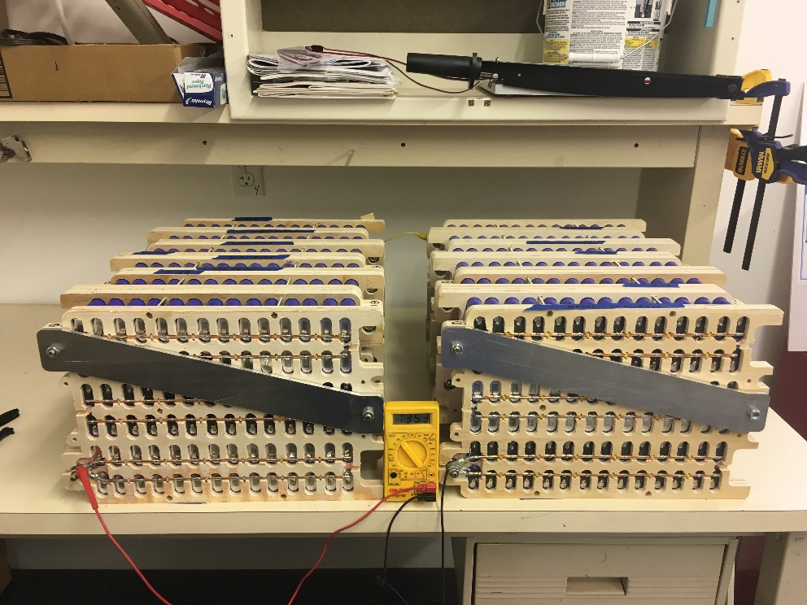
 | BMS CELL WIRING, stack
 | 2 |  |  | 1
module | 1(bottom) | 2(middle) | 3(top) | module | 1(bottom) | 2(middle) | 3(top)
7 |  | 30R |  | 6 | 6R |  | 18R
8 | 31R,32F | 28F, 29R | 19R, 20F | 5 | 4F, 5R | 7R, 8F | 16F,17R
9 |  |  |  | 4
10 | 33R,34F | 26F, 27R | 21R, 22F | 3 | 2F, 3R | 9R,10F | 14F, 15R
11 |  |  |  | 2
+
-5
12 | 35R, 36F | 25R | 23R, 24F | 1 | gndF, 1R | 11R, 12F | 13R

Cell Organization
module | 1(bottom) | 2(middle) | 3(top) | module | 1(bottom) | 2(middle) | 3(top)

7 | 31 | 30 | 19 | 6 | 6 | 7 | 18
8 | 32 | 29 | 20 | 5 | 5 | 8 | 17
9 | 33 | 28 | 21 | 4 | 4 | 9 | 16
10 | 34 | 27 | 22 | 3 | 3 | 10 | 15
11 | 35 | 26 | 23 | 2 | 2 | 11 | 14
12 | 36 | 25 | 24 | 1 | 1 | 12 | 13
+
-5

Sheet1 (2)
 | BMS CELL WIRING, stack
 | 2 |  |  | 1
module | 1(bottom) | 2(middle) | 3(top) | module | 1(bottom) | 2(middle) | 3(top)
7 | 31F | 30R | 18R | 6 | 5F, 6R | 7F
8 | 32F | 29R | 19R | 5 | 4F | 8F | 17R
9 | 33F | 28R | 20R | 4 | 3F | 9F | 16R
10 | 34F | 27R | 21R | 3 | 2F | 10F | 15R
+
-5
11 | 35F | 26R | 22R | 2 | 1F | 11F | 14R
12 | 36F | 25R | 23R, 24F | 1 | gndF | 12F | 13R

Cell Organization
module | 1(bottom) | 2(middle) | 3(top) | module | 1(bottom) | 2(middle) | 3(top)

7 | 31 | 30 | 19 | 6 | 6 | 7 | 18
8 | 32 | 29 | 20 | 5 | 5 | 8 | 17
9 | 33 | 28 | 21 | 4 | 4 | 9 | 16
10 | 34 | 27 | 22 | 3 | 3 | 10 | 15
11 | 35 | 26 | 23 | 2 | 2 | 11 | 14
12 | 36 | 25 | 24 | 1 | 1 | 12 | 13
+
-5

 |  |  |  |  |  | x

